Instructions
 | BeyondFormulas Excel training |  |  | Course link | Lesson link

 | Filename: | BeyondFormulas - Modeling STARTER template.xlsm
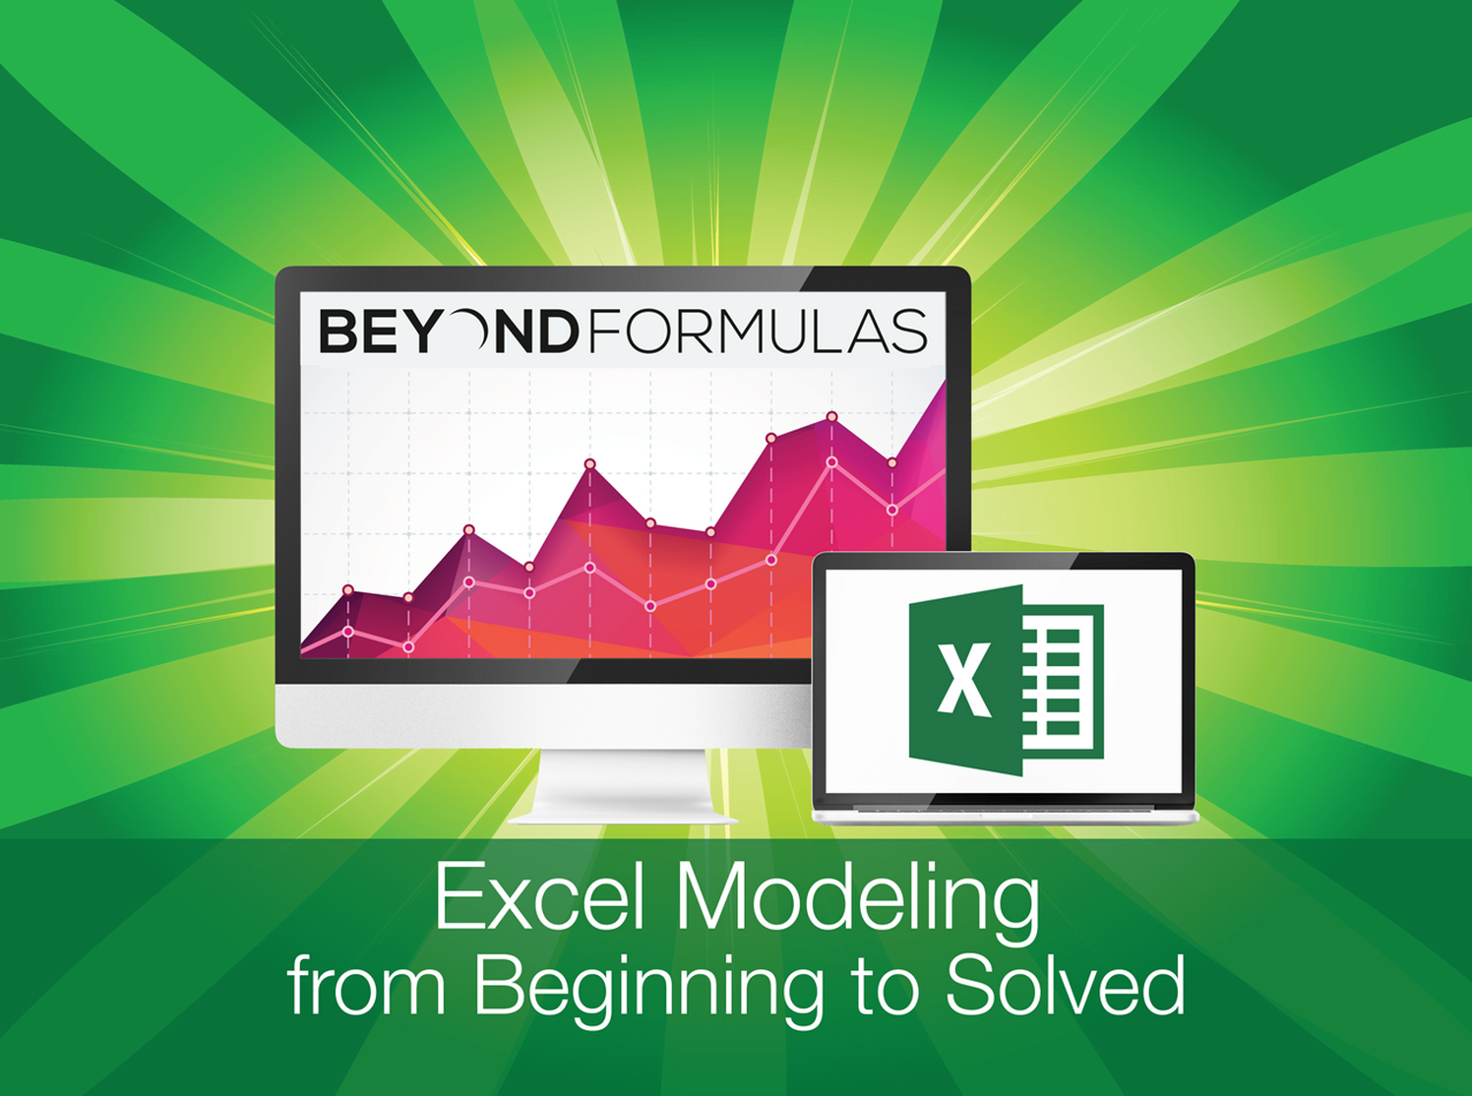
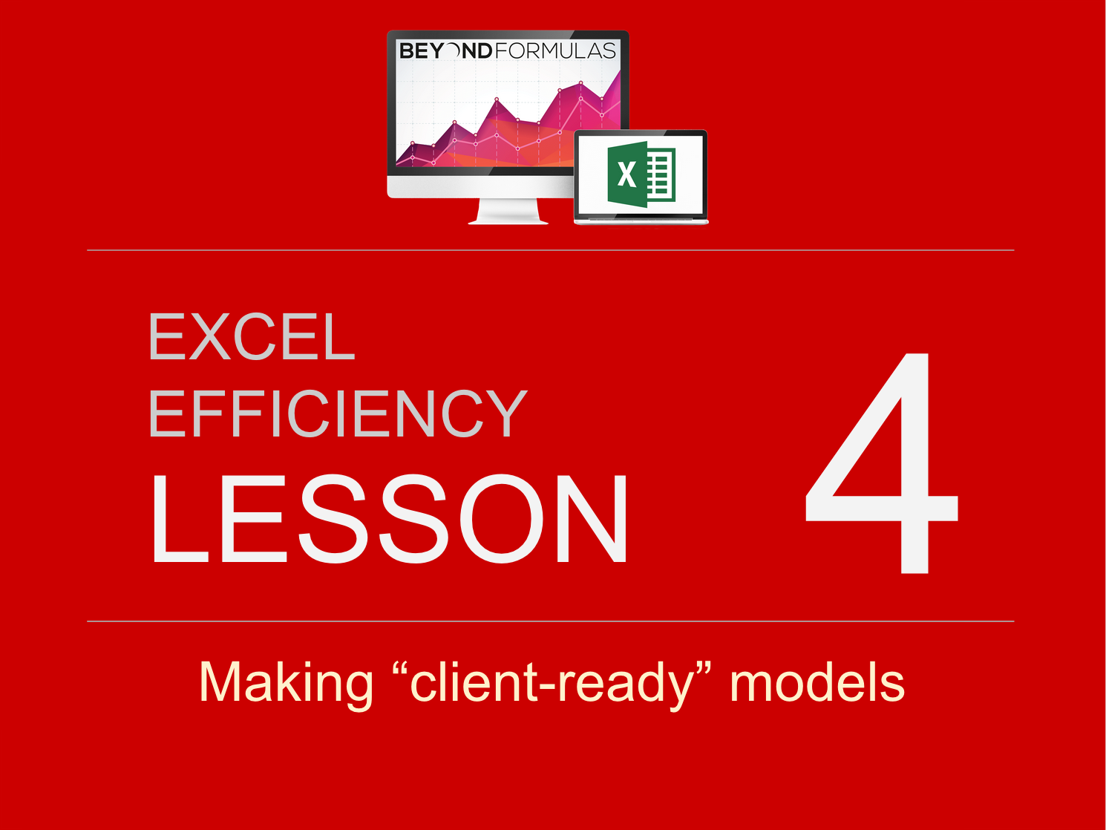
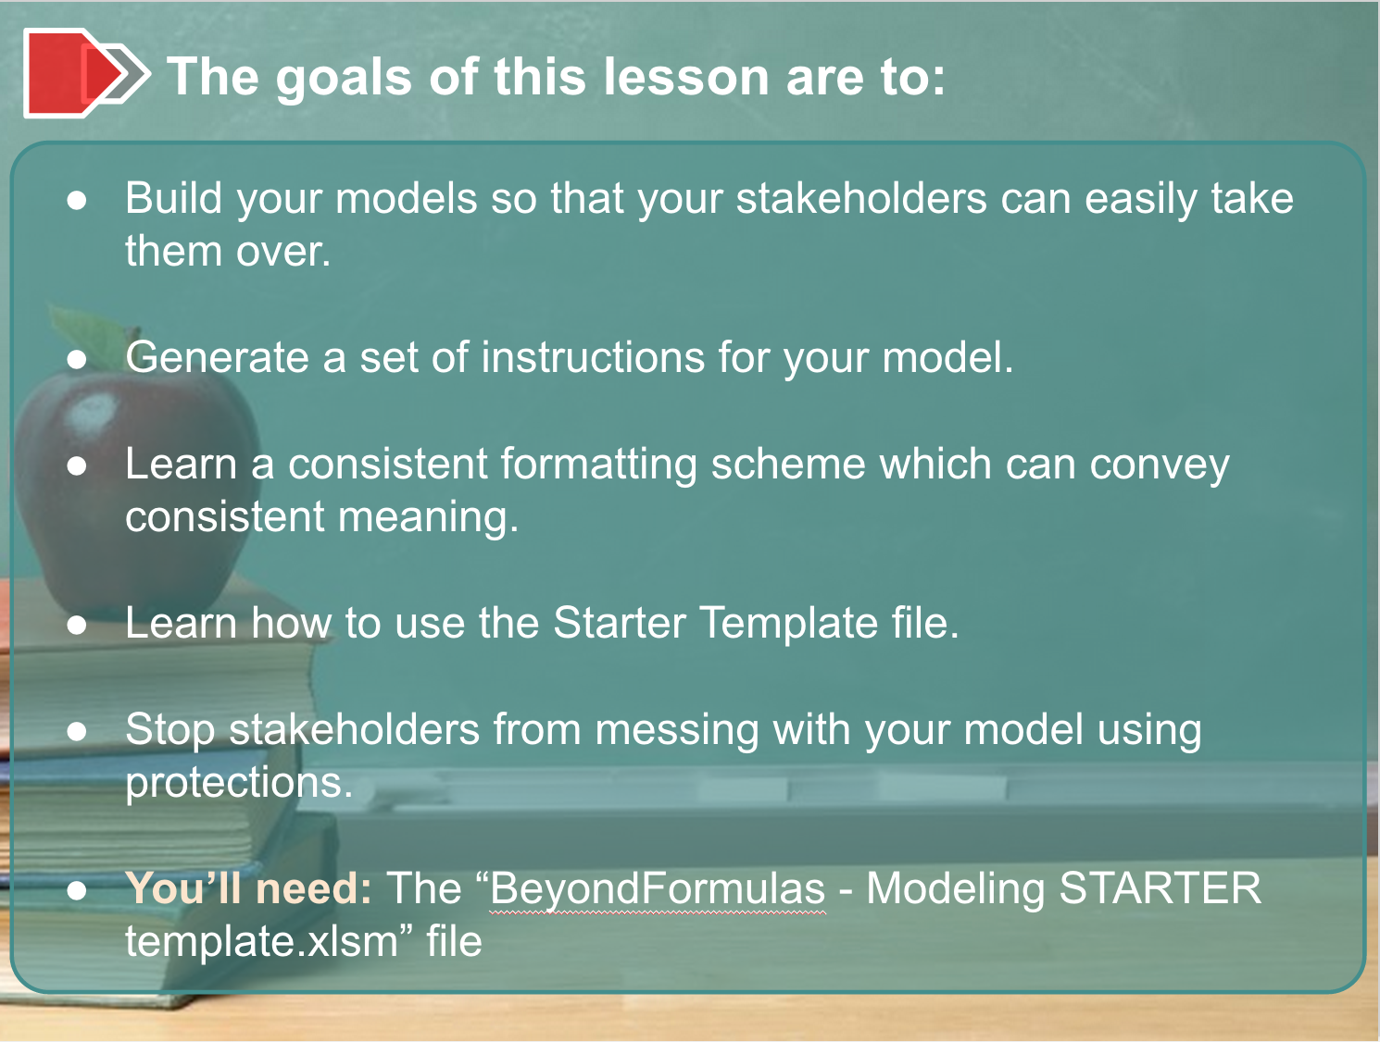
You will get a security warning, due to the macros in the workbook.
Please click "Enable Content" to proceed

 | Sheet Name |  | Description

Instructions | Instructions | OUTPUT | Has formatted output data, ready to paste directly into charts
OUTPUT | OUTPUT
Input dashboard | Input dashboard
Model | Model
Adoption | Adoption
BackOfEnvelope | BackOfEnvelope
Lists | Lists
Data1 | Data1
Data2 | Data2

OUTPUT
Output for charts

 | Revenue | Cost | Profit
Q1
Q2
Q3
Q4
Q1
Q2
Q3
Q4
Q1
Q2
Q3
Q4
The business model will be profitable
Date copied: | 2014-07-20
Unit: | $ Millions |  | Scenario: | Medium |  |  | Country Rollout: | 0 |  | Adoption: | 0

 | Year 1 |  |  |  | Year 2 |  |  |  | Year 3
 | Q1 | Q2 | Q3 | Q4 | Q1 | Q2 | Q3 | Q4 | Q1 | Q2 | Q3 | Q4
Revenue
Cost
Profit

Adoption
Adoption Model:

The Elegant but Complicated Way - Use different parts of a "logistics curve" to derive a continuous shape that can expand to any time level

 | Start | - | 0%
 | End | 12 | 100% |  |  | 1 | 2 | 3 | 4 | 5 | 6 | 7 | 8 | 9 | 10 | 11 | 12
 |  |  |  |  |  | Year 1 |  |  |  | Year 2 |  |  |  | Year 3
 | Inflection |  |  |  | NOW | Q1 | Q2 | Q3 | Q4 | Q1 | Q2 | Q3 | Q4 | Q1 | Q2 | Q3 | Q4
 | Time | Level |  | Linear | 0% | 8% | 17% | 25% | 33% | 42% | 50% | 58% | 67% | 75% | 83% | 92% | 100%
 | 4 | 15% |  | SlowStart | #NAME? | #NAME? | #NAME? | #NAME? | #NAME? | #NAME? | #NAME? | #NAME? | #NAME? | #NAME? | #NAME? | #NAME? | #NAME?
 | 8 | 85% |  | FastStart | #NAME? | #NAME? | #NAME? | #NAME? | #NAME? | #NAME? | #NAME? | #NAME? | #NAME? | #NAME? | #NAME? | #NAME? | #NAME?
 | 3 | 3% |  | S-Curve | #NAME? | #NAME? | #NAME? | #NAME? | #NAME? | #NAME? | #NAME? | #NAME? | #NAME? | #NAME? | #NAME? | #NAME? | #NAME?

